MASTER COGS DATA
 |  |  |  | PRODUCT FOB COST |  | PRODUCT INFORMATION |  |  |  | INNER BOX INFORMATION |  |  |  |  |  |  |  |  | MASTER BOX INFORMATION |  |  |  |  |  |  |  |  |  |  | TARIFF/DUTY |  | TARIFF CODE DUTY RATE | 2016 WS PRICING
FACTORY NAME: GRAND SOURCE DATE: 6.07.16 |  |  |  | PRODUCT PRICING |  | PRODUCT DIMENSIONS Unboxed Product INCHES Rounded up or down to the nearest QUARTER 1/4 INCH INCLUDE EACH ITEM OF SET DESCENDING SIZE |  |  |  | INNER BOX INCHES/CBM CUBIC FEET STANDARD PACK INFORMATION |  |  |  |  |  |  | INNER BOX GROSS WEIGHT IN POUNDS |  | MASTER BOX INCHES/CBM CUBIC FEET STANDARD PACK INFORMATION |  |  |  |  |  |  |  | MASTER BOX GROSS WEIGHTS IN LBS AND KGS |  |  | NAPA USE ONLY
PHOTO | NAPA ITEM # | NAPA ITEM DESCRIPTION | COLOR DESCRIPTION | FOB PORT US DOLLARS | Product Unit of Measure Each (EA) Set (ST) | L LENGTH LONGEST HORIZONTAL DIMENSION | W WIDTH OR TOP DIAMETER OF A ROUND POT | H HEIGHT | PIECE WEIGHT EACH ITEM OR SET OR ASST IN LBS | NUMBER OF ITEM OR SET OR ASST IN THE INNERBOX | Product Unit of Measure Each (EA) Set (ST) | L INCHES | W INCHES | H INCHES | Cubic Meters CBM | CUBIC FEET | GW GROSS WEIGHT LBS. | GW GROWW WIEGHT KG. | # ITEMS OR IF SETS # SET IN MASTER CARTON | Product Unit of Measure Each (EA), Set (ST) | QUANTITY PER 40 FT STD CONTAINER | L INCHES | W INCHES | H INCHES | Cubic Meters CBM | CUBIC FEET | MASTER CARTON GROSS WEIGHT IN KGS | MASTER CARTON GROSS WEIGHT LBS. | MOQ | TARIFF CODE | DUTY % |  | DUTY | COMM | FREIGHT | COGS | WS
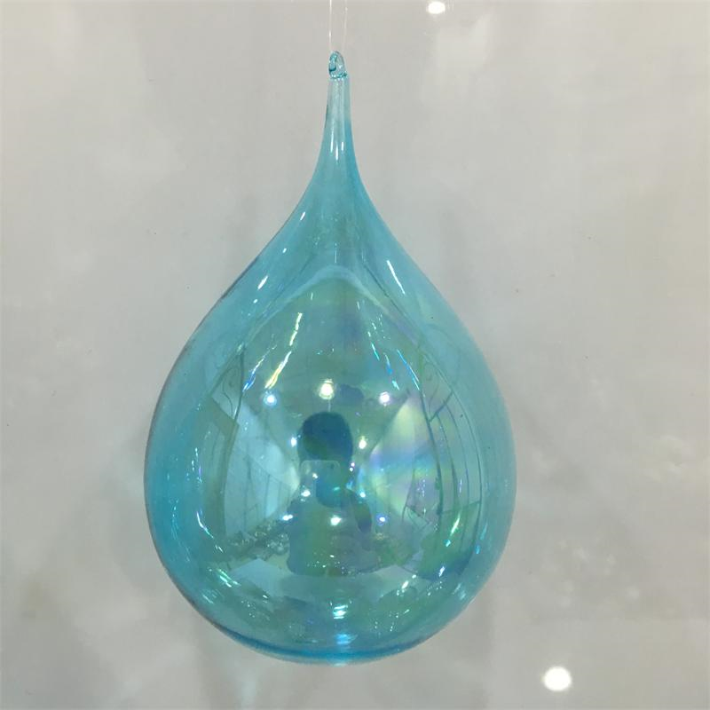 | Z4384AQ | GLASS DEW DROP 3.25" ORNAMENT | AQUA | $1.32 | EA | 3.25 | 3.25 | 5.25 | 0.1 | 6 | EA | 11.25 | 7.50 | 5.75 | 0.008 | 0.281 | 1.10 | 0.50 | 36 | EA |  | 15.625 | 11.875 | 18.500 | 0.056 | 1.988 | 3.18 | 7.00 | 576 |  | 0.00% |  | $0.00 | $0.04 | $0.07 | $1.43 | $3.50
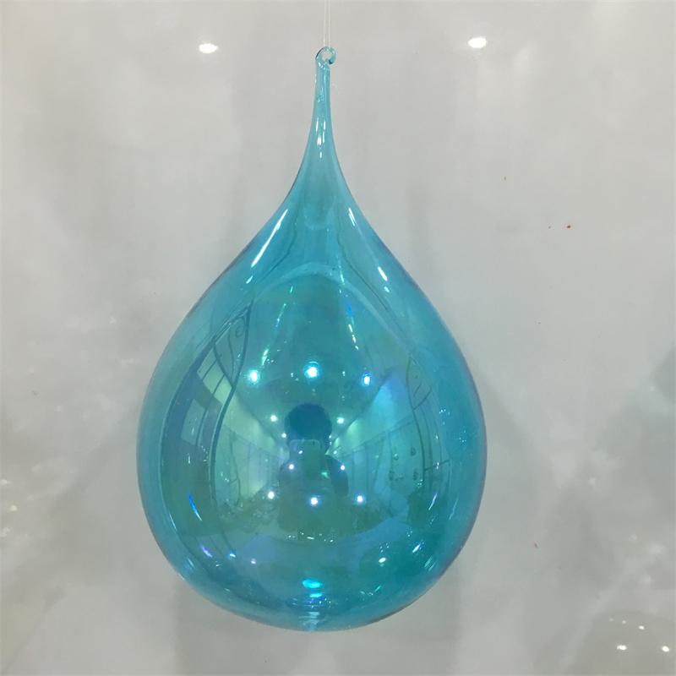 | Z4385AQ | GLASS DEW DROP 4" ORNAMENT | AQUA | $1.56 | EA | 4 | 4 | 6.75 | 0.1 | 4 | EA | 9.25 | 9.25 | 7.25 | 0.010 | 0.359 | 1.35 | 0.61 | 24 | EA |  | 19.125 | 9.875 | 23.000 | 0.071 | 2.515 | 3.41 | 7.50 | 576 |  | 0.00% |  | $0.00 | $0.05 | $0.13 | $1.74 | $4.25
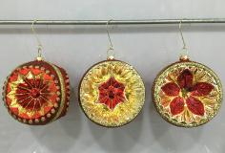 | Z4387RDG | GLASS REFLECTOR BALL ORNAMENTS ST/3 | RED / GOLD | $4.59 | ST | 4 | 4 | 4.5 | 0.1 | 2 | ST | 13.50 | 9.00 | 5.00 | 0.010 | 0.352 | 1.54 | 0.70 | 12 | ST |  | 18.625 | 16.250 | 14.125 | 0.070 | 2.475 | 3.80 | 8.36 | 576 |  | 0.00% |  | $0.00 | $0.14 | $0.26 | $4.99 | $12.50
 | Z4413GDR | GLASS SCROLL 18" FINIAL | GOLD / RUST | $5.90 | EA | 4 | 4 | 18 | 0.1 | 2 | EA | 19.38 | 10.50 | 5.50 | 0.018 | 0.648 | 2.30 | 1.05 | 6 | EA |  | 20.000 | 11.125 | 17.750 | 0.065 | 2.287 | 3.50 | 7.70 | 576 |  |  |  | $0.00 | $0.18 | $0.49 | $6.56 | $16.50
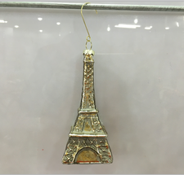 | Z4414AP | EIFFEL TOWER GLASS ORNAMENT | ANTIQUE PLATINUM | $1.46 | EA | 2 | 2 | 5.25 | 0.1 | 6 | EA | 7.88 | 5.25 | 5.75 | 0.004 | 0.138 | 1.50 | 0.68 | 36 | EA |  | 11.125 | 8.500 | 18.500 | 0.029 | 1.013 | 2.36 | 5.20 | 576 |  | 0.00% |  | $0.00 | $0.04 | $0.04 | $1.54 | $4.00
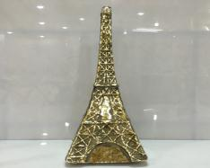 | Z4415AP | EIFFEL TOWER GLASS TABLE PIECE | ANTIQUE PLATINUM | $7.60 | EA | 5.375 | 5.375 | 12.5 | 0.3 | 1 | EA | 19.50 | 6.38 | 12.50 | 0.025 | 0.900 | 2.00 | 0.91 | 8 | EA |  | 28.375 | 14.125 | 14.750 | 0.097 | 3.423 | 2.27 | 5.00 | 576 |  |  |  | $0.00 | $0.23 | $0.54 | $8.37 | $21.00
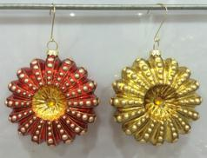 | Z4437RDG | MEDALLION REFLECTOR GLASS ORNAMENTS ST/2 | RED / GOLD | $3.04 | ST | 4 | 1.5 | 4.5 | 0.1 | 3 | ST | 9.3 | 6.4 | 5.0 | 0.005 | 0.171 | 2.10 | 0.95 | 36 | ST |  | 19.1 | 13.4 | 16.3 | 0.068 | 2.407 | 3.80 | 8.36 | 576 |  | 0.00% |  | $0.00 | $0.09 | $0.09 | $3.22 | $8.00
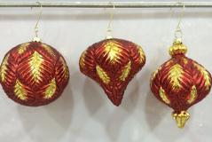 | Z4438RDG | LEAF GLASS ORNAMENTS ST/3 | RED / GOLD | $4.56 | ST | 4 | 4 | 4.5 | 0.1 | 2 | ST | 13.5 | 9.0 | 5.0 | 0.010 | 0.352 | 3.08 | 1.40 | 12 | ST |  | 18.6 | 16.3 | 14.1 | 0.070 | 2.475 | 3.80 | 8.36 | 576 |  | 0.00% |  | $0.00 | $0.14 | $0.26 | $4.96 | $12.00
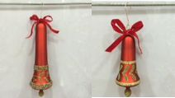 | Z4439RDG | BELL GLASS ORNAMENTS ST/2 | RED / GOLD | $4.68 | ST | 3.5 2.25 | 3.5 2.25 | 10 5.5 | 0.2 | 2 | ST | 8.0 | 8.0 | 10.5 | 0.011 | 0.389 | 3.20 | 1.45 | 24 | ST |  | 24.8 | 16.6 | 22.0 | 0.148 | 5.242 | 3.86 | 8.50 | 576 |  | 0.00% |  | $0.00 | $0.14 | $0.28 | $5.10 | $12.50
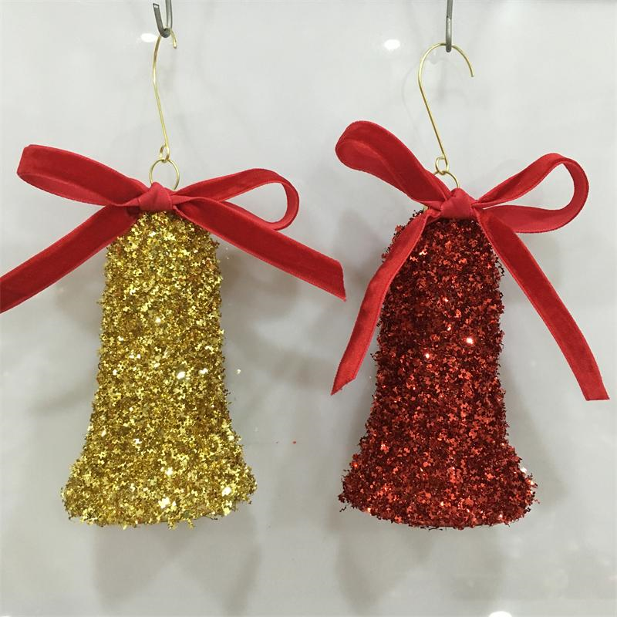 | Z4440RDG | GLITTERED GLASS BELL ORNAMENTS ST/2 | RED / GOLD | $2.84 | ST | 2.375 | 2.375 | 4.5 | 0.1 | 4 | ST | 11.5 | 5.8 | 5.0 | 0.005 | 0.191 | 2.40 | 1.09 | 24 | ST |  | 12.1 | 12.1 | 16.3 | 0.039 | 1.383 | 3.18 | 7.00 | 576 |  | 0.00% |  | $0.00 | $0.09 | $0.07 | $3.00 | $7.50
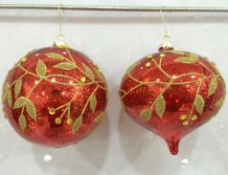 | Z4441RDG | VINE GLASS ORNAMENTS ST/2 | RED / GOLD | $4.72 | ST | 4.5 4.75 | 4.5 4.75 | 5.5 5.75 | 0.20 | 2 | ST | 11.000 | 11.000 | 6.250 | 0.012 | 0.438 | 2.20 | 1.00 | 12 | ST |  | 22.625 | 11.625 | 20.000 | 0.086 | 3.046 | 2.82 | 6.20 | 576 |  | 0.00% |  | $0.00 | $0.14 | $0.32 | $5.18 | $12.50
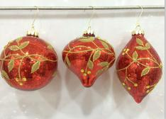 | Z4442RDG | VINE GLASS ORNAMENTS ST/3 | RED / GOLD | $4.56 | ST | 4 3.875 3.25 | 4 3.875 3.25 | 4.5 4.5 5.75 | 0.1 | 2 | ST | 13.5 | 9.0 | 5.0 | 0.010 | 0.352 | 3.08 | 1.40 | 12 | ST |  | 18.6 | 16.3 | 14.1 | 0.070 | 2.475 | 3.80 | 8.36 | 576 |  | 0.00% |  | $0.00 | $0.14 | $0.26 | $4.96 | $12.00
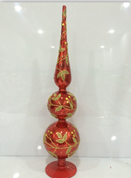 | Z4443RDG | VINE GLASS 18" FINIAL | RED / GOLD | $5.60 | EA | 4 | 4 | 18 | 0.4 | 2 | EA | 19.0 | 10.3 | 5.0 | 0.016 | 0.564 | 2.40 | 1.09 | 8 | EA |  | 21.1 | 19.6 | 11.0 | 0.075 | 2.641 | 4.18 | 9.20 | 576 |  |  |  | $0.00 | $0.17 | $0.42 | $6.19 | $15.50
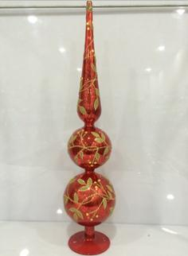 | Z4444RDG | VINE GLASS 20" FINIAL | RED / GOLD | $6.00 | EA | 4.5 | 4.5 | 20 | 0.5 | 2 | EA | 21.0 | 12.0 | 5.5 | 0.023 | 0.803 | 3.10 | 1.41 | 8 | EA |  | 23.3 | 23.6 | 12.0 | 0.108 | 3.817 | 4.45 | 9.80 | 576 |  |  |  | $0.00 | $0.18 | $0.61 | $6.79 | $17.00
PASS FOR NOW - MOVE TO HOLIDAY 2018 INTRO
 |  | GLASS WAVE BALL ORNAMENT | AQUA
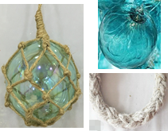 | Z4386AQ | GLASS SEA BUBBLE ORNAMENT | AQUA | $1.89 | EA | 5 | 5 | 6.875 | 0.1 | 4 | EA | 11.00 | 11.00 | 7.38 | 0.015 | 0.517 | 1.65 | 0.75 | 24 | EA |  | 22.625 | 11.625 | 23.375 | 0.101 | 3.560 | 4.00 | 8.80 | 576 |  | 0.00% |  | $0.00 | $0.06 | $0.19 | $2.14 | $5.25

